Enhanced collaboration
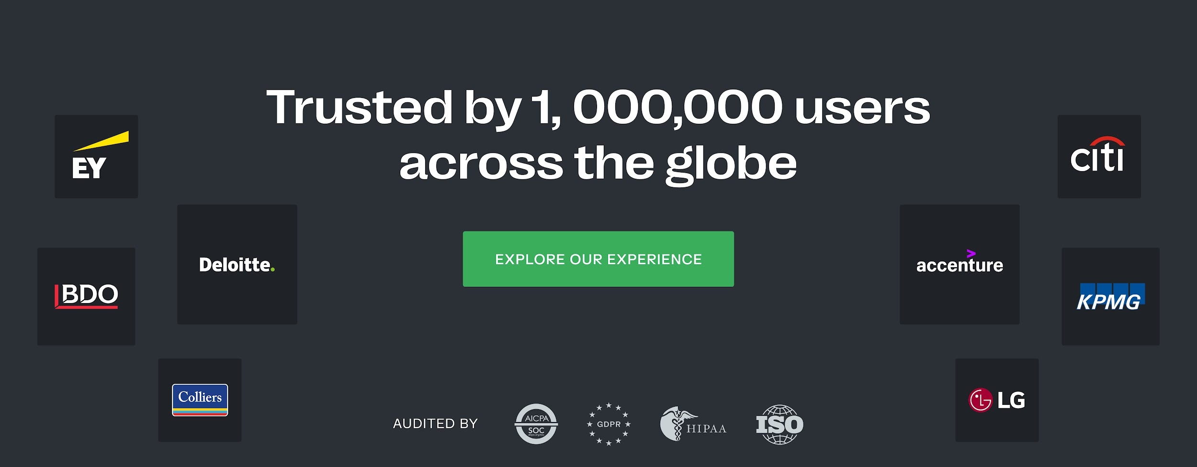
 | How does the provider allow for streamlined collaboration?
Topic |  |  |  | iDeals | Provider 1 |  |  | Provider 2
Q&A |  | Workflow | 1. Customizable | Yes. The workflow can be entirely changed by selecting or deselecting the required Q&A roles. | Yes | No | Comments | Yes | No | Comments
 |  |  | 2. Auto-assignment of questions to experts | Yes
 |  |  | 3. Customizable Q&A roles | Yes, 5 Q&A roles available
 |  |  | 4. Customizable Q&A users | Yes
 |  |  | 5. Multiple answer roles | Yes, 3 Q&A roles available
 |  |  | 6. Unlimited users | Yes
 |  | Questions & answers management | 1. Import questions and answers | Yes
 |  |  | 2. Bulk actions | Yes
 |  |  | 3. FAQ | Yes
 |  |  | 4. Questions limit | Yes
 |  |  | 5. Customizable categories | Yes
 | How does the VDR provider guarantee a consistently smooth user experience across the whole project life cycle?
Ease of use |  | Interface | 1. Setup time | 15 minutes
 |  |  | 2. Multilingual | 15 languages (English, German, Spanish, French, Portuguese, Russian, Turkish, Dutch, Italian, Polish, Ukrainian, Swedish, Chinese, Japanese, and Korean)
 |  |  | 3. Multi-project management | Yes. Among the multi-project management features there are: - List of all projects - List of all users - Usage report - Delete user from projects - Default new project settings
 |  |  | 4. Customizable branding | Yes
 |  |  | 5. Excel viewer in browser | Yes
 |  |  | 6. Import/Export folder structure | Yes
 |  |  | 7. Projects activity insights dashboard | Yes
 |  |  | 8. Unlimilited projects | Yes
 |  | Documents management | 1. Full-text search with OCR | Yes
 |  |  | 2. Labels | Yes
 |  |  | 3. MS Office and PDF files rights management | Yes
 |  |  | 4. Bulk actions | Yes
 |  |  | 5. Advanced search with filters | Yes
 |  | Files operations | 1. File merging | Yes
 |  |  | 2. File revisions tracking | Yes
 |  |  | 3. Multi-format file support | 35+ formats
 |  |  | 4. Notes for documents/folders | Yes
 |  |  | 5. Built-in file redaction | Yes
 |  | Apps | 1. Sync with desktop app | Yes
 |  |  | 2. Android and iOS apps | Yes
 |  | USB drive | 1. Number of free units | 2
 |  |  | 2. Preparation time | 2-4 business days
 |  |  | 3. Security level | Hardware-encrypted with military-grade AES-XTS 256-bit encryption
 | Does the provider prioritize report structures to maxime collaboration and communication efficiency?
Reports |  | Analytics | 1. Project activity dashboard | Yes
 |  |  | 2. Detailed audit trail | Yes
 |  |  | 3. Reports exporting to Excel | Yes
 |  | Notifications | 1. Auto-notifications for new activity | Yes
 |  |  | 2. Subscription to automatic reports | Yes
 | How to be sure that your VDR provider offers you a holistic, high-level customer care throughout the whole deal or project?
Customer care |  | Customer support | 1. Trial period | 30-day without costs
 |  |  | 2. Preparation period | Unlimited with the Enterprise plan
 |  |  | 3. Support languages | 11 languages (English, Deutsch, Español, Français, Português, Polski, Nederlands, Italiano, Українська, Chinese, Japanese)
 |  |  | 4. 24/7/365 availability | Yes
 |  |  | 5. Live trainings with an expert | A caring onboarding journey is planned for each client
 |  |  | 6. Unlimited trainings | Yes
 |  |  | 7. Dedicated project team/manager | Available with the Enterprise plan
 |  |  | 8. Pay only for active storage | Yes, no charge is applied for deleted data
 |  |  | 9. Overusage fees notification | Available upon configuration
 |  | Help center | 1. In-app live chat support 24/7 | Yes
 |  |  | 2. Knowledge center and FAQs | Both available. iDeals offers an easily searchable help center in 8 languages with over 150 articles, available also within the product itself.
 |  | Response time | 1. Chat | 30 seconds
 |  |  | 2. E-mail | 30 minutes
 |  |  | 3. Phone | 25 seconds
 | What measures does your provider have in place to protect your confidential data?
Security |  | Compliance | 1. Certifications | ISO 27001
 |  |  | 2. Standards | SOC 1/2/3, GDPR, HIPAA, PCI DSS
 |  | Data management | 1. Customizable dynamic watermarks | Yes
 |  |  | 2. Screenshot prevention with Fence View | Yes
 |  |  | 3. Data hosting locations | 9 regions
 |  |  | 4. Built-in redaction | Yes
 |  |  | 5. Disable download permission | Yes
 |  | Access permissions | 1. Granular access control | Yes, with 8 levels
 |  |  | 2. IP address-based access restriction | Yes
 |  |  | 3. User access expiration | Yes
 |  |  | 4. Customer-managed encryption keys | Yes
 |  |  | 5. Two-factor authentication | Yes
 |  |  | 6. Single sign-on (SSO) | Yes
 |  |  | 7. “View As” any user | Available for documents only
 |  |  | 8. Email verification & permissions by file type feature | Yes

